Bill Of Lading
#config
Name=PFL Bill Of Lading
HideColumnIf |  |  |  |  |  |  |  |  |  |  |  |  |  |  |  |  |  | 1==1
PageStyle=Continuous
DataContext=Shipment
EmailSubject=Bill Of Lading - <BillOfLading.OceanBillNumber>
#DocumentHeader
#if "<ReleaseTypeCode>" == "SWB"
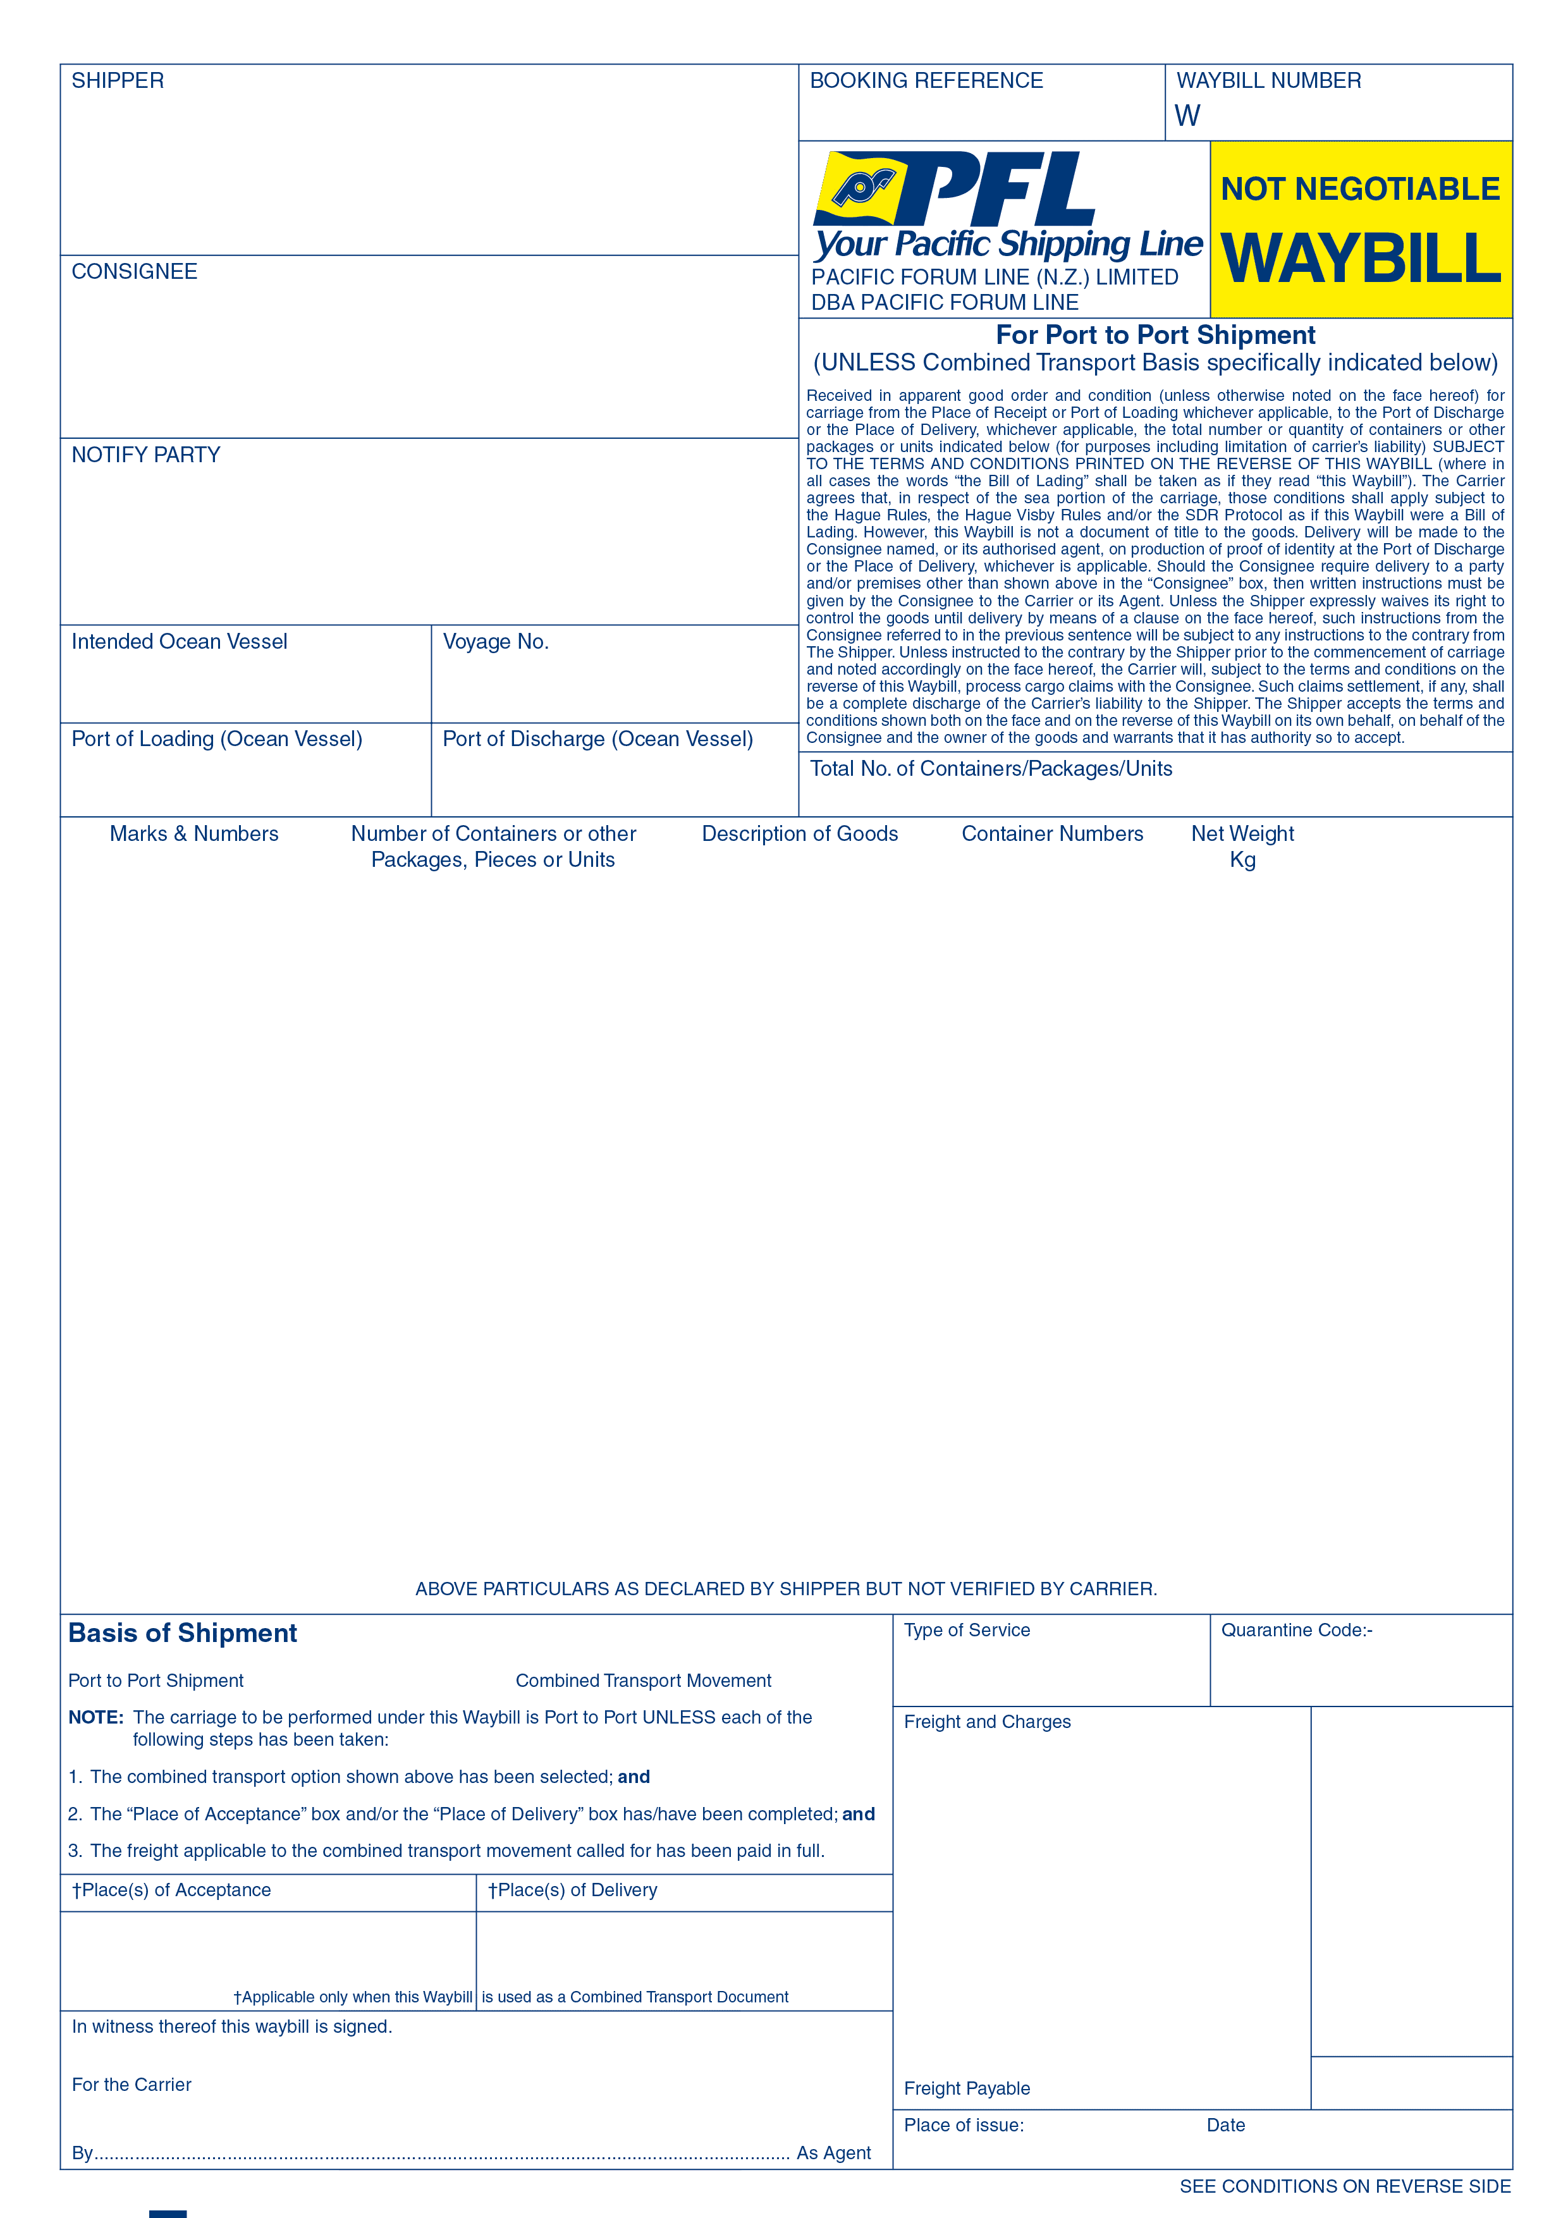
 |  | -

 |  | <DocDataValue("Consignor", "<ConsignorAddress>")> |  |  |  |  |  |  | <BookingReference> |  |  |  |  | <BillOfLading.OceanBillNumber>

 |  | <DocDataValue("Consignee", "<ConsigneeAddress>")>

 |  | <DocDataValue("Notify Party", "<BillOfLading.NotifyParty>")>

 |  | <BILLOFLADING.VESSELNAME> |  | <BILLOFLADING.VOYAGENUMBER>

 |  | <DocDataValue("Load Port", "<BillOfLading.LoadPort.PortName>")> |  | <DocDataValue("Discharge Port", "<BillOfLading.DischargePort.PortName>")>
 |  |  |  |  |  |  |  |  |  | <BillOfLading.NumberOfContainers>

 |  | <BillOfLading.FormedPages.MainBodyDetailsSection>

 |  | Shipped On Board: <Format("{OnBoardDate:Date}")> |  |  |  |  | Payment Terms: <INCODescription> |  |  |  |  | <IF("<BillOfLading.FormedPages.PageNo>" == "<BillOfLading.FormedPages.Count>", "", " *** Continues Next Page ***")>
 |  |  |  |  |  |  |  |  |  |  |  |  | <ReportName>

 |  |  |  |  |  |  |  |  |  |  | <Type of Service> |  |  |  | <Quarantine Code>
 |  |  | <Port to Port Shipment> |  |  |  |  | <Combined Transport Movement>

 |  |  |  |  |  |  |  |  |  |  | <BillOfLading.FormedPages.ChargesSection>
 | <DocDataValue("Place Of Acceptance", "<BillOfLading.OriginPort.PortName>")> |  |  |  |  | <DocDataValue("Place Of Delivery", "<BillOfLading.DestinationPort.PortName>")>

 |  |  |  |  |  |  |  |  |  |  |  |  |  |  |  |  | <Total Amount>
 |  | <For The Carrier>
 |  |  |  |  |  |  |  |  |  |  | <ShrinkToFit(5)><DocDataValue("Place Of Issue", "<BillOfLading.LoadPort.PortName>")> |  |  |  |  | <ShrinkToFit(5)><DocDataValue("Date Of Issue", "<HouseBillIssueDate.Date>")>

 |  | <HPageBreak>
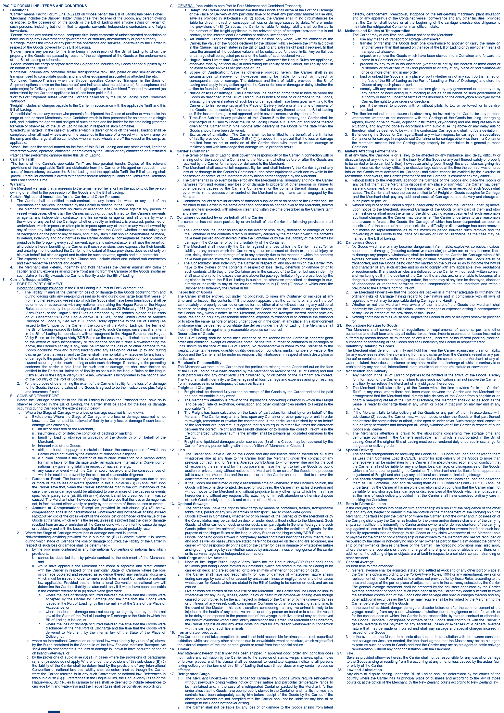

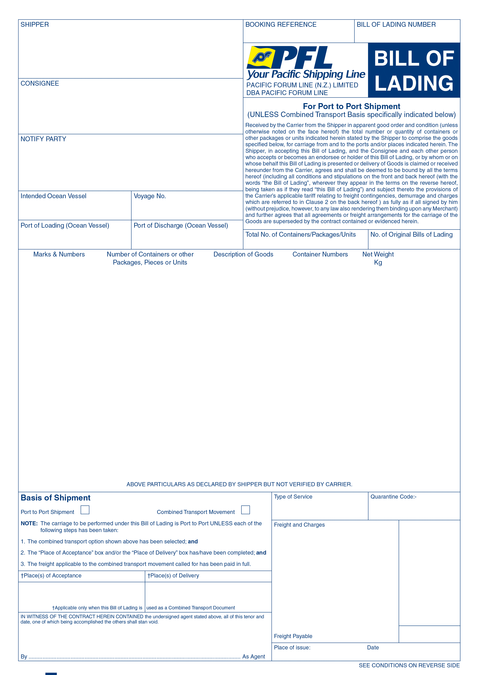
 |  | <HPageBreak>
#else
 |  | -

 |  | <DocDataValue("Consignor", "<ConsignorAddress>")> |  |  |  |  |  |  | <BookingReference> |  |  |  |  | <BillOfLading.OceanBillNumber>

 |  | <DocDataValue("Consignee", "<ConsigneeAddress>")>

 |  | <DocDataValue("Notify Party", "<BillOfLading.NotifyParty>")>

 |  | <BILLOFLADING.VESSELNAME> |  | <BILLOFLADING.VOYAGENUMBER>

 |  | <DocDataValue("Load Port", "<BillOfLading.LoadPort.PortName>")> |  | <DocDataValue("Discharge Port", "<BillOfLading.DischargePort.PortName>")>
 |  |  |  |  |  |  |  |  |  | <BillOfLading.NumberOfContainers> |  |  |  |  | <NoOfOriginalBills>

 |  | <BillOfLading.FormedPages.MainBodyDetailsSection>

 |  | <OnBoard> <Format("{OnBoardDate:Date}")> |  |  |  |  | Payment Terms: <INCODescription> |  |  |  |  | <IF("<BillOfLading.FormedPages.PageNo>" == "<BillOfLading.FormedPages.Count>", "", " *** Continues Next Page ***")>
 |  |  |  |  |  |  |  |  |  |  |  |  | <ReportName>

 |  |  |  |  |  |  |  |  |  |  | <Type of Service> |  |  |  | <Quarantine Code>
 |  |  | <Port to Port Shipment> |  |  |  |  | <Combined Transport Movement>

 |  |  |  |  |  |  |  |  |  |  | <BillOfLading.FormedPages.ChargesSection>
 | <DocDataValue("Place Of Acceptance", "<BillOfLading.OriginPort.PortName>")> |  |  |  |  | <DocDataValue("Place Of Delivery", "<BillOfLading.DestinationPort.PortName>")>

 |  |  |  |  |  |  |  |  |  |  |  |  |  |  |  |  | <Total Amount>
 |  | <For The Carrier>
 |  |  |  |  |  |  |  |  |  |  | <ShrinkToFit(5)><DocDataValue("Place Of Issue", "<BillOfLading.LoadPort.PortName>")> |  |  |  |  | <ShrinkToFit(5)><DocDataValue("Date Of Issue", "<HouseBillIssueDate.Date>")>

 |  | <HPageBreak>


 |  | <HPageBreak>
#endif
#if "<BillOfLading.HasFollowOnSection>" == "Y"
#SectionHeader

 | CONTINUATION PAGE |  |  |  | <BILLOFLADING.TITLE> - <BillOfLading.OceanBillNumber>

 | Shipper |  |  |  |  |  |  |  | Consignee
 | <DocDataValue("Consignor", "<ConsignorAddress>")> |  |  |  |  |  |  |  | <DocDataValue("Consignee", "<ConsigneeAddress>")>

 | Notify Party |  |  |  |  |  |  |  | Goods Collected From |  |  |  |  |  |  |  | ETD
 | <DocDataValue("Notify Party", "<BillOfLading.NotifyParty>")> |  |  |  |  |  |  |  | <DocDataValue("Place Of Receipt", "<BillOfLading.OriginPort.CodeAndName>")>
 |  |  |  |  |  |  |  |  | Goods Delivered To |  |  |  |  |  |  |  | ETA
 |  |  |  |  |  |  |  |  | <DocDataValue("Place Of Delivery", "<BillOfLading.DestinationPort.CodeAndName>")>
 |  |  |  |  |  |  |  |  | Gross Weight |  |  |  |  |  |  |  | Volume
 |  |  |  |  |  |  |  |  | <BillOfLading.Weight> |  |  |  |  |  |  |  | <BillOfLading.Volume>
 | Phone: <DocDataValue("Notify Party Phone", "<NotifyParty.Phone>")> |  |  |  |  |  |  |  | Package Quantity |  |  |  |  |  |  |  |  | <DocDataValue("Notify Party Phone", "<NotifyParty.Phone>")>
 | Fax: <DocDataValue("Notify Party Fax", "<NotifyParty.Fax>")> |  |  |  |  |  |  |  | <OuterPacks> <OuterPacksPackType> (OUTER) |  |  |  |  |  |  |  |  | <DocDataValue("Notify Party Fax", "<NotifyParty.Fax>")>

#SectionBody:Data=BillOfLading.FollowOnSection
 | <BillOfLading.FollowOnSection>
#SectionFooter

#endif
#EndOfReport

